TimeSeries
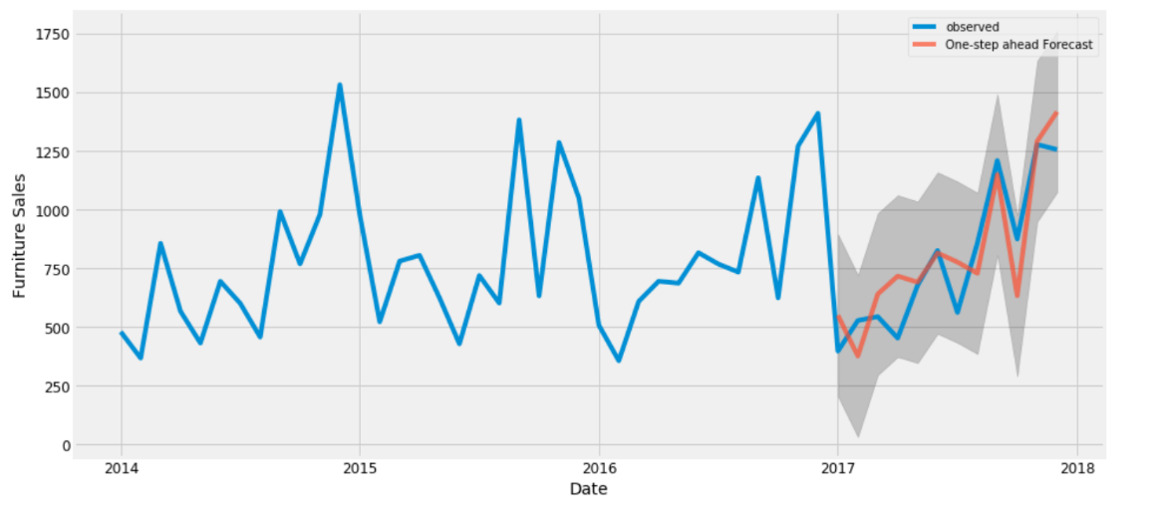
What is Time Series Forecasting?
Forecasting is a technique that uses historical data as inputs to make informed estimates that are predictive in determining the direction of future trends. Businesses utilize forecasting to determine how to allocate their budgets or plan for anticipated expenses for an upcoming period of time.

Step0
Classic Multiplicative Time Series Model

Yt = St * It * Tt * Ct | log(Yt) = log(St) + log(Tt) + log(Ct)
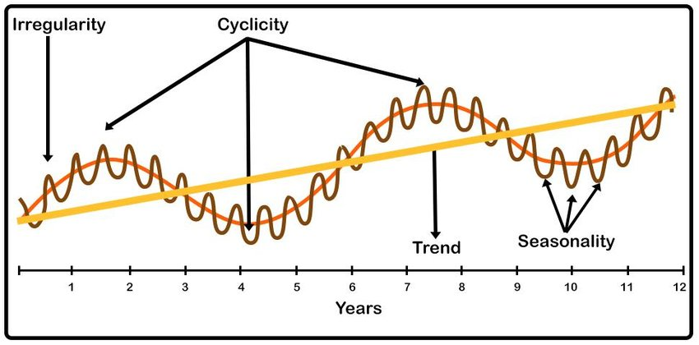
Yt | Time Series
St | Seasonal component
It | Irregular/Residual/Remainder Component
Tt | Trend Component
Ct | Cyclic Component

MA4 | Moving Average 4
CMA4 | Central Moving Average 4

http://www.youtube.com/KunaalNaik

https://machinelearningmastery.com/arima-for-time-series-forecasting-with-python/#targetText=ARIMA%20is%20an%20acronym%20that,time%20series%20data%20with%20Python.
https://otexts.com/fpp2/

Step1_Percentage
Create a forecast for 4 quarters ahead

time | Yr_Qtr | Year | Quarter | Sales | % Growth
1 | 2015-1 | 2015 | 1 | 68,000
2 | 2015-2 | 2015 | 2 | 61,000
3 | 2015-3 | 2015 | 3 | 80,000
4 | 2015-4 | 2015 | 4 | 85,000
5 | 2016-1 | 2016 | 1 | 78,000 | -8.2%
6 | 2016-2 | 2016 | 2 | 72,000 | -7.7%
7 | 2016-3 | 2016 | 3 | 88,000 | 22.2%
8 | 2016-4 | 2016 | 4 | 94,000 | 6.8%
9 | 2017-1 | 2017 | 1 | 80,000 | -14.9%
10 | 2017-2 | 2017 | 2 | 76,000 | -5.0%
11 | 2017-3 | 2017 | 3 | 95,000 | 25.0%
12 | 2017-4 | 2017 | 4 | 98,000 | 3.2%
13 | 2018-1 | 2018 | 1 | 83,000 | -15.3%
14 | 2018-2 | 2018 | 2 | 79,000 | -4.8%
15 | 2018-3 | 2018 | 3 | 100,000 | 26.6%
16 | 2018-4 | 2018 | 4 | 104,000 | 4.0%
17 | 2019-1 | 2019 | 1 | 86,840 | -16.5%
18 | 2019-2 | 2019 | 2 | 82,498 | -5.0%
19 | 2019-3 | 2019 | 3 | 104,772 | 27.0%
20 | 2019-4 | 2019 | 4 | 108,439 | 3.5%

Step1_ForecastFunction
Create a forecast for 4 quarters ahead |  |  |  |  |  | FORECAST.LINEAR(x, known_ys, known_xs)
 |  |  |  |  |  | FORECAST.ETS(x, known_ys, known_xs)
time | Yr_Qtr | Year | Quarter | Sales
1 | 2015-1 | 2015 | 1 | 68,000 |  | Known y's
2 | 2015-2 | 2015 | 2 | 61,000 |  | Known x's
3 | 2015-3 | 2015 | 3 | 80,000 |  | x
4 | 2015-4 | 2015 | 4 | 85,000
5 | 2016-1 | 2016 | 1 | 78,000
6 | 2016-2 | 2016 | 2 | 72,000
7 | 2016-3 | 2016 | 3 | 88,000
8 | 2016-4 | 2016 | 4 | 94,000
9 | 2017-1 | 2017 | 1 | 80,000
10 | 2017-2 | 2017 | 2 | 76,000
11 | 2017-3 | 2017 | 3 | 95,000
12 | 2017-4 | 2017 | 4 | 98,000
13 | 2018-1 | 2018 | 1 | 83,000 | 87,475
14 | 2018-2 | 2018 | 2 | 79,000 | 83,422
15 | 2018-3 | 2018 | 3 | 100,000 | 101,177
16 | 2018-4 | 2018 | 4 | 104,000 | 104,734
17 | 2019-1 | 2019 | 1 | 93,300
18 | 2019-2 | 2019 | 2 | 86,423
19 | 2019-3 | 2019 | 3 | 104,352
20 | 2019-4 | 2019 | 4 | 109,959

Step2
 |  | Classic Multiplicative Time Series Model |  |  |  |  |  |  |  |  | Quarter | St
 |  | 1/ Break down Seasonal and Trend Components |  |  |  |  |  |  |  |  | 1 | 0.95
 |  |  |  |  |  |  |  |  |  |  | 2 | 0.88
 |  |  |  |  |  |  |  |  |  |  | 3 | 1.07
 |  |  |  |  | Generate the following |  |  |  |  |  | 4 | 1.11
 |  |  |  | Yt | Smooth Series |  | Yt/CMA |  | Yt/St
Sales Time Series with MA
 | Sales | CMA4 | Deseasonalise
2015-1 | 68,000 |  | 71,736
2015-2 | 61,000 |  | 69,688
2015-3 | 80,000 | 74750 | 74,732
2015-4 | 85,000 | 77375 | 76,657
2016-1 | 78,000 | 79750 | 82,285
2016-2 | 72,000 | 81875 | 82,255
2016-3 | 88,000 | 83250 | 82,206
2016-4 | 94,000 | 84000 | 84,774
2017-1 | 80,000 | 85375 | 84,395
2017-2 | 76,000 | 86750 | 86,824
2017-3 | 95,000 | 87625 | 88,745
2017-4 | 98,000 | 88375 | 88,381
2018-1 | 83,000 | 89375 | 87,560
2018-2 | 79,000 | 90750 | 90,252
2018-3 | 100,000 |  | 93,416
2018-4 | 104,000 |  | 93,792
time | Yr_Qtr | Year | Quarter | Sales | MA4 | CMA4 | St, It | St | Deseasonalise | Tt
1 | 2015-1 | 2015 | 1 | 68,000 |  |  |  | 0.9 | 71,736
2 | 2015-2 | 2015 | 2 | 61,000 |  |  |  | 0.9 | 69,688
3 | 2015-3 | 2015 | 3 | 80,000 | 73,500 | 74,750 | 1.1 | 1.1 | 74,732
4 | 2015-4 | 2015 | 4 | 85,000 | 76,000 | 77,375 | 1.1 | 1.1 | 76,657
5 | 2016-1 | 2016 | 1 | 78,000 | 78,750 | 79,750 | 1.0 | 0.9 | 82,285
6 | 2016-2 | 2016 | 2 | 72,000 | 80,750 | 81,875 | 0.9 | 0.9 | 82,255
7 | 2016-3 | 2016 | 3 | 88,000 | 83,000 | 83,250 | 1.1 | 1.1 | 82,206
8 | 2016-4 | 2016 | 4 | 94,000 | 83,500 | 84,000 | 1.1 | 1.1 | 84,774
9 | 2017-1 | 2017 | 1 | 80,000 | 84,500 | 85,375 | 0.9 | 0.9 | 84,395
10 | 2017-2 | 2017 | 2 | 76,000 | 86,250 | 86,750 | 0.9 | 0.9 | 86,824
 | St, It | St
 |  | 0.9
 |  | 0.9
 | 1.0702341137 | 1.1
 | 1.098546042 | 1.1
 | 0.97805642633 | 0.9
 | 0.87938931298 | 0.9
 | 1.0570570571 | 1.1
 | 1.119047619 | 1.1
 | 0.93704245974 | 0.9
 | 0.87608069164 | 0.9
 | 1.0841654779 | 1.1
 | 1.1089108911 | 1.1
 | 0.92867132867 | 0.9
 | 0.87052341598 | 0.9
 |  | 1.1
 |  | 1.1
11 | 2017-3 | 2017 | 3 | 95,000 | 87,250 | 87,625 | 1.1 | 1.1 | 88,745
12 | 2017-4 | 2017 | 4 | 98,000 | 88,000 | 88,375 | 1.1 | 1.1 | 88,381
13 | 2018-1 | 2018 | 1 | 83,000 | 88,750 | 89,375 | 0.9 | 0.9 | 87,560
14 | 2018-2 | 2018 | 2 | 79,000 | 90,000 | 90,750 | 0.9 | 0.9 | 90,252
15 | 2018-3 | 2018 | 3 | 100,000 | 91,500 |  |  | 1.1 | 93,416
16 | 2018-4 | 2018 | 4 | 104,000 |  |  |  | 1.1 | 93,792

Step3
 |  | Classic Multiplicative Time Series Model |  |  |  |  |  |  |  |  | Quarter | St |  | Intercept | 71431
 |  | 2/ Build Linear Model and Forecast Trend |  |  |  |  |  |  |  |  | 1 | 0.94792340491 |  | Time | 1441
 |  |  |  |  |  |  |  |  |  |  | 2 | 0.8753311402
 |  |  |  |  |  |  |  |  |  | Y Pred = 71147 + 1466 (time, X) | 3 | 1.0704855496 | `
 |  |  |  |  |  |  |  |  |  |  | 4 | 1.1088348507
X |  |  |  |  |  |  |  |  | Y
Sales Time Series with MA
 | Sales | CMA4 | Deseasonalise | Trend
2015-1 | 68,000 |  | 71,736 | 72,871
2015-2 | 61,000 |  | 69,688 | 74,312
2015-3 | 80,000 | 74750 | 74,732 | 75,753
2015-4 | 85,000 | 77375 | 76,657 | 77,194
2016-1 | 78,000 | 79750 | 82,285 | 78,634
2016-2 | 72,000 | 81875 | 82,255 | 80,075
2016-3 | 88,000 | 83250 | 82,206 | 81,516
2016-4 | 94,000 | 84000 | 84,774 | 82,957
2017-1 | 80,000 | 85375 | 84,395 | 84,397
2017-2 | 76,000 | 86750 | 86,824 | 85,838
2017-3 | 95,000 | 87625 | 88,745 | 87,279
2017-4 | 98,000 | 88375 | 88,381 | 88,720
2018-1 | 83,000 | 89375 | 87,560 | 90,160
2018-2 | 79,000 | 90750 | 90,252 | 91,601
2018-3 | 100,000 |  | 93,416 | 93,042
2018-4 | 104,000 |  | 93,792 | 94,483
 |  |  |  | Yt | Smooth Series |  | Yt/CMA |  | Yt/St | Generate Trend
time | Yr_Qtr | Year | Quarter | Sales | MA4 | CMA4 | St, It | St | Deseasonalise | Trend
1 | 2015-1 | 2015 | 1 | 68,000 |  |  |  | 0.9 | 71,736 | 72,871
2 | 2015-2 | 2015 | 2 | 61,000 |  |  |  | 0.9 | 69,688 | 74,312
3 | 2015-3 | 2015 | 3 | 80,000 | 73,500 | 74,750 | 1.1 | 1.1 | 74,732 | 75,753
4 | 2015-4 | 2015 | 4 | 85,000 | 76,000 | 77,375 | 1.1 | 1.1 | 76,657 | 77,194
5 | 2016-1 | 2016 | 1 | 78,000 | 78,750 | 79,750 | 1.0 | 0.9 | 82,285 | 78,634
6 | 2016-2 | 2016 | 2 | 72,000 | 80,750 | 81,875 | 0.9 | 0.9 | 82,255 | 80,075
7 | 2016-3 | 2016 | 3 | 88,000 | 83,000 | 83,250 | 1.1 | 1.1 | 82,206 | 81,516
8 | 2016-4 | 2016 | 4 | 94,000 | 83,500 | 84,000 | 1.1 | 1.1 | 84,774 | 82,957
9 | 2017-1 | 2017 | 1 | 80,000 | 84,500 | 85,375 | 0.9 | 0.9 | 84,395 | 84,397
10 | 2017-2 | 2017 | 2 | 76,000 | 86,250 | 86,750 | 0.9 | 0.9 | 86,824 | 85,838
11 | 2017-3 | 2017 | 3 | 95,000 | 87,250 | 87,625 | 1.1 | 1.1 | 88,745 | 87,279
12 | 2017-4 | 2017 | 4 | 98,000 | 88,000 | 88,375 | 1.1 | 1.1 | 88,381 | 88,720
13 | 2018-1 | 2018 | 1 | 83,000 | 88,750 | 89,375 | 0.9 | 0.9 | 87,560 | 90,160
14 | 2018-2 | 2018 | 2 | 79,000 | 90,000 | 90,750 | 0.9 | 0.9 | 90,252 | 91,601
15 | 2018-3 | 2018 | 3 | 100,000 | 91,500 |  |  | 1.1 | 93,416 | 93,042
16 | 2018-4 | 2018 | 4 | 104,000 |  |  |  | 1.1 | 93,792 | 94,483
17 | 2019-1 | 2019 | 1 |  |  |  |  | 0.9 |  | 95,923
18 | 2019-2 | 2019 | 2 |  |  |  |  | 0.9 |  | 97,364
19 | 2019-3 | 2019 | 3 |  |  |  |  | 1.1 |  | 98,805
20 | 2019-4 | 2019 | 4 |  |  |  |  | 1.1 |  | 100,246

Step5
 |  | Classic Multiplicative Time Series Model |  |  |  |  |  |  |  |  |  | Quarter | St | Intercept | 71147
 |  | 3/ Using Trend and Seasonality Forecast into Future |  |  |  |  |  |  |  |  |  | 1 | 0.94792340491 | time | 1466
 |  |  |  |  |  |  |  |  |  |  |  | 2 | 0.8753311402
 |  |  |  |  |  |  |  |  |  |  |  | 3 | 1.0704855496
 |  |  |  |  |  |  |  |  |  |  |  | 4 | 1.1088348507
X |  |  |  |  |  |  |  |  | Y |  | Generate Forecast
 |  |  |  | Yt | Smooth Series |  | Yt/CMA |  | Yt/St
Sales with Forecast
 | Sales | Sales Forecast
2015-1 | 68,000 | 68,831
2015-2 | 61,000 | 64,843
2015-3 | 80,000 | 80,869
2015-4 | 85,000 | 85,391
2016-1 | 78,000 | 74,389
2016-2 | 72,000 | 69,975
2016-3 | 88,000 | 87,145
2016-4 | 94,000 | 91,893
2017-1 | 80,000 | 79,947
2017-2 | 76,000 | 75,108
2017-3 | 95,000 | 93,422
2017-4 | 98,000 | 98,394
2018-1 | 83,000 | 85,505
2018-2 | 79,000 | 80,240
2018-3 | 100,000 | 99,698
2018-4 | 104,000 | 104,895
2019-1 |  | 91,063
2019-2 |  | 85,372
2019-3 |  | 105,975
2019-4 |  | 111,396
time | Yr_Qtr | Year | Quarter | Sales | MA4 | CMA4 | St, It | St | Deseasonalise | Tt | Sales Forecast
1 | 2015-1 | 2015 | 1 | 68,000 |  |  |  | 0.9 | 71,736 | 72,613 | 68,831
2 | 2015-2 | 2015 | 2 | 61,000 |  |  |  | 0.9 | 69,688 | 74,078 | 64,843
3 | 2015-3 | 2015 | 3 | 80,000 | 73,500 | 74,750 | 1.1 | 1.1 | 74,732 | 75,544 | 80,869
4 | 2015-4 | 2015 | 4 | 85,000 | 76,000 | 77,375 | 1.1 | 1.1 | 76,657 | 77,010 | 85,391
5 | 2016-1 | 2016 | 1 | 78,000 | 78,750 | 79,750 | 1.0 | 0.9 | 82,285 | 78,476 | 74,389
6 | 2016-2 | 2016 | 2 | 72,000 | 80,750 | 81,875 | 0.9 | 0.9 | 82,255 | 79,942 | 69,975
7 | 2016-3 | 2016 | 3 | 88,000 | 83,000 | 83,250 | 1.1 | 1.1 | 82,206 | 81,407 | 87,145
8 | 2016-4 | 2016 | 4 | 94,000 | 83,500 | 84,000 | 1.1 | 1.1 | 84,774 | 82,873 | 91,893
9 | 2017-1 | 2017 | 1 | 80,000 | 84,500 | 85,375 | 0.9 | 0.9 | 84,395 | 84,339 | 79,947
10 | 2017-2 | 2017 | 2 | 76,000 | 86,250 | 86,750 | 0.9 | 0.9 | 86,824 | 85,805 | 75,108
11 | 2017-3 | 2017 | 3 | 95,000 | 87,250 | 87,625 | 1.1 | 1.1 | 88,745 | 87,271 | 93,422
12 | 2017-4 | 2017 | 4 | 98,000 | 88,000 | 88,375 | 1.1 | 1.1 | 88,381 | 88,736 | 98,394
13 | 2018-1 | 2018 | 1 | 83,000 | 88,750 | 89,375 | 0.9 | 0.9 | 87,560 | 90,202 | 85,505
14 | 2018-2 | 2018 | 2 | 79,000 | 90,000 | 90,750 | 0.9 | 0.9 | 90,252 | 91,668 | 80,240
15 | 2018-3 | 2018 | 3 | 100,000 | 91,500 |  |  | 1.1 | 93,416 | 93,134 | 99,698
16 | 2018-4 | 2018 | 4 | 104,000 |  |  |  | 1.1 | 93,792 | 94,599 | 104,895
17 | 2019-1 | 2019 | 1 |  |  |  |  | 0.9 |  | 96,065 | 91,063
18 | 2019-2 | 2019 | 2 |  |  |  |  | 0.9 |  | 97,531 | 85,372
19 | 2019-3 | 2019 | 3 |  |  |  |  | 1.1 |  | 98,997 | 105,975
20 | 2019-4 | 2019 | 4 |  |  |  |  | 1.1 |  | 100,463 | 111,396

Step6
 |  | Classic Multiplicative Time Series Model |  |  |  |  |  |  |  |  |  | MSE | #DIV/0! |  | Quarter | St | Intercept | 71147
 |  | 4/ Measure peformance using Mean Absolute Percentage Error (MAPE) |  |  |  |  |  |  |  |  |  | SSE | - |  | 1 | 0.94792340491 | time | 1466
 |  |  |  |  |  |  |  |  |  |  |  |  |  |  | 2 | 0.8753311402
 |  |  |  |  |  |  |  |  |  |  |  |  |  |  | 3 | 1.0704855496
 |  |  |  |  |  |  |  |  |  |  |  |  |  |  | 4 | 1.1088348507
X |  |  |  |  |  |  |  |  | Y
 |  |  |  | Yt | Smooth Series |  | Yt/CMA |  | Yt/St |  |  | Calculate the following |  |  |  | MAPE | Accuracy
time | Yr_Qtr | Year | Quarter | Sales | MA4 | CMA4 | St, It | St | Deseasonalise | Tt | Sales Forecast | Error | Squared Error | APE |  | #DIV/0!
1 | 2015-1 | 2015 | 1 | 68,000 |  |  |  | 0.9 | 71,736 | 72,613 | 68,831 |  |  |  |  | >15%
2 | 2015-2 | 2015 | 2 | 61,000 |  |  |  | 0.9 | 69,688 | 74,078 | 64,843
3 | 2015-3 | 2015 | 3 | 80,000 | 73,500 | 74,750 | 1.1 | 1.1 | 74,732 | 75,544 | 80,869
4 | 2015-4 | 2015 | 4 | 85,000 | 76,000 | 77,375 | 1.1 | 1.1 | 76,657 | 77,010 | 85,391
Sales with Forecast
 | Sales | Sales Forecast
2015-1 | 68,000 | 68,831
2015-2 | 61,000 | 64,843
2015-3 | 80,000 | 80,869
2015-4 | 85,000 | 85,391
2016-1 | 78,000 | 74,389
2016-2 | 72,000 | 69,975
2016-3 | 88,000 | 87,145
2016-4 | 94,000 | 91,893
2017-1 | 80,000 | 79,947
2017-2 | 76,000 | 75,108
2017-3 | 95,000 | 93,422
2017-4 | 98,000 | 98,394
2018-1 | 83,000 | 85,505
2018-2 | 79,000 | 80,240
2018-3 | 100,000 | 99,698
2018-4 | 104,000 | 104,895
2019-1 |  | 91,063
2019-2 |  | 85,372
2019-3 |  | 105,975
2019-4 |  | 111,396
5 | 2016-1 | 2016 | 1 | 78,000 | 78,750 | 79,750 | 1.0 | 0.9 | 82,285 | 78,476 | 74,389
6 | 2016-2 | 2016 | 2 | 72,000 | 80,750 | 81,875 | 0.9 | 0.9 | 82,255 | 79,942 | 69,975
7 | 2016-3 | 2016 | 3 | 88,000 | 83,000 | 83,250 | 1.1 | 1.1 | 82,206 | 81,407 | 87,145
8 | 2016-4 | 2016 | 4 | 94,000 | 83,500 | 84,000 | 1.1 | 1.1 | 84,774 | 82,873 | 91,893
9 | 2017-1 | 2017 | 1 | 80,000 | 84,500 | 85,375 | 0.9 | 0.9 | 84,395 | 84,339 | 79,947
10 | 2017-2 | 2017 | 2 | 76,000 | 86,250 | 86,750 | 0.9 | 0.9 | 86,824 | 85,805 | 75,108
11 | 2017-3 | 2017 | 3 | 95,000 | 87,250 | 87,625 | 1.1 | 1.1 | 88,745 | 87,271 | 93,422
12 | 2017-4 | 2017 | 4 | 98,000 | 88,000 | 88,375 | 1.1 | 1.1 | 88,381 | 88,736 | 98,394
13 | 2018-1 | 2018 | 1 | 83,000 | 88,750 | 89,375 | 0.9 | 0.9 | 87,560 | 90,202 | 85,505
14 | 2018-2 | 2018 | 2 | 79,000 | 90,000 | 90,750 | 0.9 | 0.9 | 90,252 | 91,668 | 80,240
15 | 2018-3 | 2018 | 3 | 100,000 | 91,500 |  |  | 1.1 | 93,416 | 93,134 | 99,698
16 | 2018-4 | 2018 | 4 | 104,000 |  |  |  | 1.1 | 93,792 | 94,599 | 104,895
17 | 2019-1 | 2019 | 1 |  |  |  |  | 0.9 |  | 96,065 | 91,063
18 | 2019-2 | 2019 | 2 |  |  |  |  | 0.9 |  | 97,531 | 85,372
19 | 2019-3 | 2019 | 3 |  |  |  |  | 1.1 |  | 98,997 | 105,975
20 | 2019-4 | 2019 | 4 |  |  |  |  | 1.1 |  | 100,463 | 111,396

